Calibration
Weight Calibration experiment (in final position) |  |  |  |  |  |  |  | Calibration experiment when it was upside down
 | Right 1 | Right 2 | Right 3 | Left 1 | Left 2 | Left 3 | Weights(Kg) |  | Right 1 | Right 2 | Right 3 | Left 1 | Left 2 | Left 3
1st buffer | 12.935 | 20.875 | 14.01 | 16.72 | 16.24 | 14.825 | 0 | 1st buff | 13.06 | 21.93 | 14.17 | 17.56 | 16.72 | 14.98
2nd buffer | 94.855 | 132.195 | 105.82 | 121.55 | 119.56 | 79.695 | 20 | 2nd buff | 94.98 | 133.25 | 105.98 | 122.39 | 120.04 | 79.85
3rd buffer | 214.615 | 250.915 | 225.3 | 241.06 | 238.14 | 198.315 | 40 | 3rd buff | 214.74 | 251.97 | 225.46 | 241.9 | 238.62 | 198.47
4th buffer | 333.765 | 369.375 | 342.69 | 360.8 | 358.42 | 317.555 | 60 | 4th buff | 333.89 | 370.43 | 342.85 | 361.64 | 358.9 | 317.71
5th buffer | 453.605 | 493.125 | 463.9 | 481.83 | 477.13 | 435.495 | 80 | 5th buff | 453.73 | 494.18 | 464.06 | 482.67 | 477.61 | 435.65
Fitting for: Volt = Mass *b + a
Fitting R2 | 0.99551931964 | 0.99966950979 | 0.99764656575 | 0.99928821751 | 0.99921972982 | 0.9901835008
cov(x, y) | 4481 | 4726.72 | 4546.6 | 4677.88 | 4642.56 | 4316.8 |  |  | Right 1 | Right 2 | Right 3 | Left 1 | Left 2 | Left 3
varp(x) | 800 | 800 | 800 | 800 | 800 | 800 | Upside down (0 Kg) |  | 12.81 | 19.82 | 13.85 | 15.88 | 15.76 | 14.67
slope b | 5.60125 | 5.9084 | 5.68325 | 5.84735 | 5.8032 | 5.396 | Difference from 1st exp |  | 0.25 | 2.11 | 0.32 | 1.68 | 0.96 | 0.31
intercept a | -2.095 | 16.961 | 3.014 | 10.498 | 9.77 | -6.663 | Old intercept |  | -1.97 | 18.016 | 3.174 | 11.338 | 10.25 | -6.508
Built-in Slope Func | 5.60125 | 5.9084 | 5.68325 | 5.84735 | 5.8032 | 5.396 | The intercept we need |  | -2.22 | 15.906 | 2.854 | 9.658 | 9.29 | -6.818
Built-in Intercept | -2.095 | 16.961 | 3.014 | 10.498 | 9.77 | -6.663
Projecting (Volt) | -2.095 | 16.961 | 3.014 | 10.498 | 9.77 | -6.663
Enter value (Kg) | 0 | 0 | 0 | 0 | 0 | 0 | Linear Voltage Offset |  | 15.03 | 3.914 | 10.996 | 6.222 | 6.47 | 21.488
 |  |  |  |  |  |  |  |  | *To be removed as the new offset after LSQ fit.
Right 1 Sensor (Bottom)
Right 2 Sensor (Middle)

Right 3 Sensor (Top)
Left 1 Sensor (Bottom)

Left 2 Sensor (Middle)
Left 3 Sensor (Top)

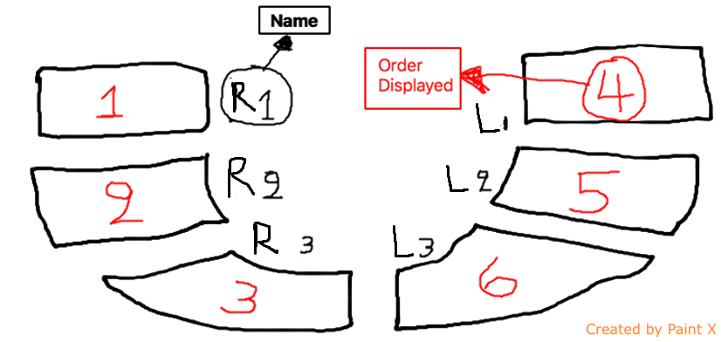
 |  |  |  |  |  |  |  |  | Schematic
Fitting for: Mass = Volt *b + a
Fitting R2 | 0.99551931964 | 0.99966950979 | 0.99764656575 | 0.99928821751 | 0.99921972982 | 0.9901835008
cov(x, y) | 4481 | 4726.72 | 4546.6 | 4677.88 | 4642.56 | 4316.8
varp(x) | 25212.16892 | 27936.585216 | 25900.419384 | 27372.685016 | 26962.742416 | 23524.379856
slope b | 0.17773163484 | 0.16919462287 | 0.1755415591 | 0.17089591311 | 0.17218426555 | 0.18350324329
intercept a | 0.55157498921 | -2.85649039 | -0.43494488923 | -1.765593996 | -1.651029467 | 1.615342078
Built-in Slope Func | 0.17773163484 | 0.16919462287 | 0.1755415591 | 0.17089591311 | 0.17218426555 | 0.18350324329
Built-in Intercept Func | 0.55157498921 | -2.85649039 | -0.43494488923 | -1.765593996 | -1.651029467 | 1.615342078
Projecting (Kg) | 2.8283172315 | 0.49694703532 | 1.9963057043 | 0.94823310409 | 1.062594558 | 4.3073346571
Enter value (Volt) | 12.81 | 19.82 | 13.85 | 15.88 | 15.76 | 14.67

